ACCOMMODATION
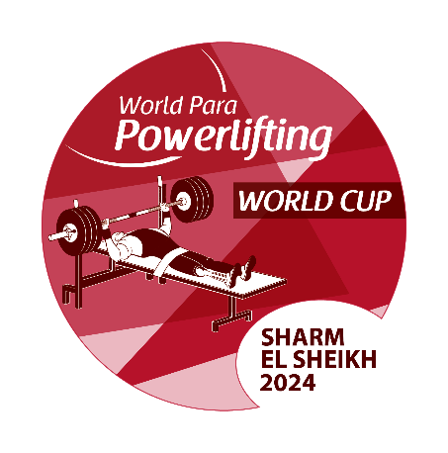
ACCOMMODATION APPLICATION FORM

Please ensure the below is completed fully for all team members and sent by no later than 1 February 2024 to:
egyptparapower@npcegypt.org

NPC |  |  |  |  | Total accommodation fees must be transferred to the LOC no later than
 |  |  |  |  | 20 February 2024 |  |  |  |  |  |  |  | Accommodation Fees must be transferred to:
 |  |  |  |  | Room Type |  | No. of Nights |  | Price per Night (USD) |  | Total Cost (USD) |  | Account name | Egypt Paralympic Committee
Insert NPC Invoice Name & Address |  |  |  |  | Single Room |  | 0 |  | $180.00 |  | $- |  | Bank name | National Bank of Egypt
 |  |  |  |  | Twin Room |  | 0 |  | $280.00 |  | $- |  | Bank Address | NBE
 |  |  |  |  |  |  | 0 |  | Total Accommodation Fee: |  | $- |  | Account number | 1573060433087100027
 |  |  |  |  |  |  |  |  |  |  |  |  | Swift/BIC-Code | NBEGEGCX157
 |  |  |  |  |  |  |  |  |  |  |  |  | IBAN | EG79000301573060 4330871000270
 |  |  |  |  | Hotel Name |  | The Rehana Royal Hotel

Wheelchair User A |  | Can NOT walk at all
Wheelchair User B |  | Can walk from bedroom to bathroom

 | SINGLE ROOMS |  |  | Gender F/M |  | Wheelchair User |  | Not Wheelchair User |  | Check In Date |  | Check Out Date | Total Nights
 | Rooms | Family Name | First Name |  |  | User A | User B | Standing |  | (YYYY-MM-DD) |  | (YYYY-MM-DD)
 | Room 1 |  |  |  |  |  |  |  |  |  |  |  | 0
 | Room 2 |  |  |  |  |  |  |  |  |  |  |  | 0
 | Room 3 |  |  |  |  |  |  |  |  |  |  |  | 0
 | Room 4 |  |  |  |  |  |  |  |  |  |  |  | 0
 | Room 5 |  |  |  |  |  |  |  |  |  |  |  | 0
 | Room 6 |  |  |  |  |  |  |  |  |  |  |  | 0
 | Room 7 |  |  |  |  |  |  |  |  |  |  |  | 0
 | Room 8 |  |  |  |  |  |  |  |  |  |  |  | 0
 | Room 9 |  |  |  |  |  |  |  |  |  |  |  | 0
 | Room 10 |  |  |  |  |  |  |  |  |  |  |  | 0
 | Room 11 |  |  |  |  |  |  |  |  |  |  |  | 0
 | Room 12 |  |  |  |  |  |  |  |  |  |  |  | 0
 | Room 13 |  |  |  |  |  |  |  |  |  |  |  | 0
 | Room 14 |  |  |  |  |  |  |  |  |  |  |  | 0
 | Room 15 |  |  |  |  |  |  |  |  |  |  |  | 0
 |  |  |  |  |  |  |  |  |  |  |  |  | 0

 | TWIN ROOMS |  |  | Gender F/M |  | Wheelchair User |  | Not Wheelchair User |  | Check In Date |  | Check Out Date | Total Nights
 | Rooms | Family Name | First Name |  |  | User A | User B | Standing |  | (YYYY-MM-DD) |  | (YYYY-MM-DD)
 | Room 1 |  |  |  |  |  |  |  |  |  |  |  | 0

 | Room 2 |  |  |  |  |  |  |  |  |  |  |  | 0

 | Room 3 |  |  |  |  |  |  |  |  |  |  |  | 0

 | Room 4 |  |  |  |  |  |  |  |  |  |  |  | 0

 | Room 5 |  |  |  |  |  |  |  |  |  |  |  | 0

 | Room 6 |  |  |  |  |  |  |  |  |  |  |  | 0

 | Room 7 |  |  |  |  |  |  |  |  |  |  |  | 0

 | Room 8 |  |  |  |  |  |  |  |  |  |  |  | 0

 | Room 9 |  |  |  |  |  |  |  |  |  |  |  | 0

 | Room 10 |  |  |  |  |  |  |  |  |  |  |  | 0

 | Room 11 |  |  |  |  |  |  |  |  |  |  |  | 0

 | Room 12 |  |  |  |  |  |  |  |  |  |  |  | 0

 | Room 13 |  |  |  |  |  |  |  |  |  |  |  | 0

 | Room 14 |  |  |  |  |  |  |  |  |  |  |  | 0

 | Room 15 |  |  |  |  |  |  |  |  |  |  |  | 0

 |  |  |  |  |  |  |  |  |  |  |  |  | 0

