ACCOMMODATION
ACCOMMODATION APPLICATION FORM

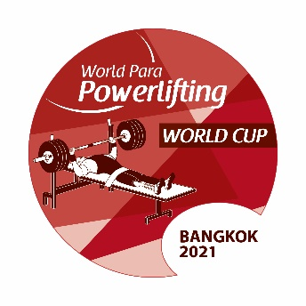

Please ensure the below is completed fully for all team members and sent by no later than 9 April 2021 to: thailandparapowerlifting.wc@gmail.com

NPC |  |  |  |  | Total accommodation fees must be transferred to Manchester City Council no later than ….
 |  |  |  |  |  |  |  |  |  |  |  |  | Accommodation Fees must be transferred to:
 |  |  |  |  | Room Type |  | No. of Nights |  | Price per Night (GBP) |  | Total Cost (GBP) |  | Account name | Sports Association for the Disabled of Thailand
Insert NPC Invoice Name & Address |  |  |  |  | Single Room |  | 0 |  |  |  |  |  | Bank name | Krungthai Bank, Sport Authority of Thailand (Hua Mark)
 |  |  |  |  | Twin Room |  | 0 |  |  |  |  |  | Bank Address
 |  |  |  |  |  |  | 0 |  | Total Accommodation Fee: |  |  |  | Account number | 985-5-73197-7
 |  |  |  |  |  |  |  |  |  |  |  |  | Sort Code
 |  |  |  |  |  |  |  |  |  |  |  |  | Swift-Code | KRTHTHBK
 |  |  |  |  | Chosen Hotel: |  |  |  |  |  |  |  | IBAN

Wheelchair User A |  | Can NOT walk at all
Wheelchair User B |  | Can walk from bedroom to bathroom

 | SINGLE ROOMS |  |  | Gender F/M |  | Wheelchair User |  | Not Wheelchair User |  | Check In Date |  | Check Out Date | Total Nights |  | Raddison Blu Hotel
 | Rooms | Family Name | First Name |  |  | User A | User B | Standing |  | (YYYY-MM-DD) |  | (YYYY-MM-DD) |  |  | Clayton Hotel
 | Room 1 |  |  |  |  |  |  |  |  |  |  |  |  |  | Hilton Hotel
 | Room 2
 | Room 3
 | Room 4
 | Room 5
 | Room 6
 | Room 7
 | Room 8
 | Room 9
 | Room 10
 | Room 11
 | Room 12
 | Room 13
 | Room 14
 | Room 15
 |  |  |  |  |  |  |  |  |  |  |  |  | 0

 | TWIN ROOMS |  |  | Gender F/M |  | Wheelchair User |  | Not Wheelchair User |  | Check In Date |  | Check Out Date | Total Nights
 | Rooms | Family Name | First Name |  |  | User A | User B | Standing |  | (YYYY-MM-DD) |  | (YYYY-MM-DD)
 | Room 1

 | Room 2

 | Room 3

 | Room 4

 | Room 5

 | Room 6

 | Room 7

 | Room 8

 | Room 9

 | Room 10

 | Room 11

 | Room 12

 | Room 13

 | Room 14

 | Room 15

 |  |  |  |  |  |  |  |  |  |  |  |  | 0

