ACCOMMODATION
ACCOMMODATION APPLICATION FORM
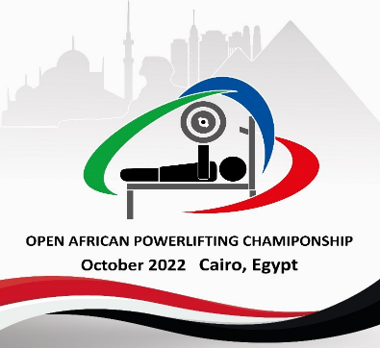

Please ensure the below is completed fully for all team members and sent by no later than 30 August to: NPC Competition Portal.
 |  |  |  |  |  |  |  | Contact : howayda.mondy@egyptparalympic.org

NPC |  |  |  |  | Total accommodation fees must be transferred to the LOC no later than 24 Sep 2022
 |  |  |  |  |  |  |  |  |  |  |  |  | Accommodation Fees must be transferred to:
 |  |  |  |  | Room Type |  | No. of Nights |  | Price per Night (USD) |  | Total Cost (USD) |  | Account name | Egyput Paralympic Committee
Insert NPC Invoice Name & Address |  |  |  |  | Single Room |  |  |  | $120.00 |  | $- |  | Bank name | National Bank of Egypt
 |  |  |  |  | Twin Room |  |  |  | $200.00 |  | $- |  | Bank code | NBE
 |  |  |  |  |  |  | 0 |  | Total Accommodation Fee: |  | $- |  | Account number | 1573060433087100000
 |  |  |  |  |  |  |  |  |  |  |  |  | Swift/BIC-Code | NBEGEGCX157
 |  |  |  |  |  |  |  |  |  |  |  |  | IBAN | EG79000301573060 4330871000270
 |  |  |  |  | Hotel Name |  | The Guard Hotel

Wheelchair User A |  | Can NOT walk at all
Wheelchair User B |  | Can walk from bedroom to bathroom

 | SINGLE ROOMS |  |  | Gender F/M |  | Wheelchair User |  | Not Wheelchair User |  | Check In Date |  | Check Out Date | Total Nights
 | Rooms | Family Name | First Name |  |  | User A | User B | Standing |  | (YYYY-MM-DD) |  | (YYYY-MM-DD)
 | Room 1
 | Room 2
 | Room 3
 | Room 4
 | Room 5
 | Room 6
 | Room 7
 | Room 8
 | Room 9
 | Room 10
 | Room 11
 | Room 12
 | Room 13
 | Room 14
 | Room 15
 |  |  |  |  |  |  |  |  |  |  |  |  | 0

 | TWIN ROOMS |  |  | Gender F/M |  | Wheelchair User |  | Not Wheelchair User |  | Check In Date |  | Check Out Date | Total Nights
 | Rooms | Family Name | First Name |  |  | User A | User B | Standing |  | (YYYY-MM-DD) |  | (YYYY-MM-DD)
 | Room 1

 | Room 2

 | Room 3

 | Room 4

 | Room 5

 | Room 6

 | Room 7

 | Room 8

 | Room 9

 | Room 10

 | Room 11

 | Room 12

 | Room 13

 | Room 14

 | Room 15

 |  |  |  |  |  |  |  |  |  |  |  |  | 0

