ACCOMMODATION
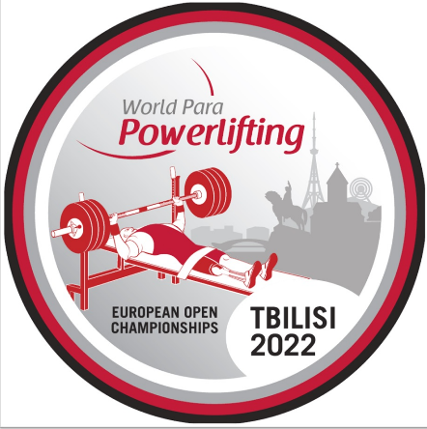
ACCOMMODATION APPLICATION FORM

Please ensure the below is completed fully for all team members and sent by no later than 30 July 2022: |  |  |  |  |  |  |  |  |  | europeans.champ22@gmail.com

NPC |  |  |  |  | Total accommodation fees must be transferred to Georgian Paralympic Committee no later than 30 July 2022
 |  |  |  |  |  |  |  |  |  |  |  |  | Accommodation Fees must be transferred to:
 |  |  |  |  | Room Type |  | No. of Nights |  | Price per Night (EUR) |  | Total Cost (EUR) |  | Account name | Georgian Paralympic Committee
Insert NPC Invoice Name & Address |  |  |  |  | Single Room |  |  |  | € 190.00 |  | € - |  | Bank name | JSC TBC BANK
 |  |  |  |  | Twin Room |  |  |  | € 150.00 |  | € - |  | Bank Address | Marjanishvili Str. #7, Tbilisi, Georgia
 |  |  |  |  |  |  | 0 |  | Total Accommodation Fee: |  | € - |  | Account number | GE97TB7564636180100010
 |  |  |  |  |  |  |  |  |  |  |  |  | Sort Code
 |  |  |  |  |  |  |  |  |  |  |  |  | Swift-Code | TBCBGE22
 |  |  |  |  | Chosen Hotel: |  |  |  |  |  |  |  | IBAN | GE97TB7564636180100010

Wheelchair User A |  | Can NOT walk at all
Wheelchair User B |  | Can walk from bedroom to bathroom

 | SINGLE ROOMS |  |  | Gender F/M |  | Wheelchair User |  | Not Wheelchair User |  | Check In Date |  | Check Out Date | Total Nights |  | Raddison Blu Hotel
 | Rooms | Family Name | First Name |  |  | User A | User B | Standing |  | (YYYY-MM-DD) |  | (YYYY-MM-DD) |  |  | Clayton Hotel
 | Room 1 |  |  |  |  |  |  |  |  |  |  |  |  |  | Hilton Hotel
 | Room 2
 | Room 3
 | Room 4
 | Room 5
 | Room 6
 | Room 7
 | Room 8
 | Room 9
 | Room 10
 | Room 11
 | Room 12
 | Room 13
 | Room 14
 | Room 15
 |  |  |  |  |  |  |  |  |  |  |  |  | 0

 | TWIN ROOMS |  |  | Gender F/M |  | Wheelchair User |  | Not Wheelchair User |  | Check In Date |  | Check Out Date | Total Nights
 | Rooms | Family Name | First Name |  |  | User A | User B | Standing |  | (YYYY-MM-DD) |  | (YYYY-MM-DD)
 | Room 1

 | Room 2

 | Room 3

 | Room 4

 | Room 5

 | Room 6

 | Room 7

 | Room 8

 | Room 9

 | Room 10

 | Room 11

 | Room 12

 | Room 13

 | Room 14

 | Room 15

 |  |  |  |  |  |  |  |  |  |  |  |  | 0

