VISA Request
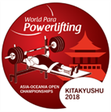
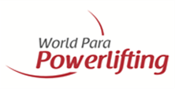

Kitakyushu 2018 World Para Powerlifting Asia-Oceania Open Championships

Please ensure the below is completed fully for all team members and send by no later than 01 July 2018 to:
hisako@phouse.jp; Info@WorldParaPowerlifting.org

VISA Request Form

NPC

■Contact Person
Name |  |  |  |  |  |  |  |  | Title |  |  |  | Gender
Address |  |  |  |  |  |  |  |  | Email Address
Phone |  | Country code |  |  |  | Phone Number |  |  |  |  | Fax |  |  |  |  |  | Make sure the place is the embassy or consulate that you apply for a visa.

■Name List
 | Name |  |  |  | Gender |  | Date of Birth | Age | Nationality | Affiliation |  | Function |  | Arrival | Flight No. | Departure |  | Flight No. | JAPAN Ambassador Consul General
 | Sur name |  | / | Given name | M or F |  | dd/mm/yyyy |  |  | NPC,entity etc |  | athlete, coach, referee, team official |  | dd/mm |  | dd/mm
1 |  |  | /
2 |  |  | /
3 |  |  | /
4 |  |  | /
5 |  |  | /
6 |  |  | /
7 |  |  | /
8 |  |  | /
9 |  |  | /
10 |  |  | /
 | ※Please copy this page if there are more than 11 persons.
Please return this form by no later than 01 July With Your all members PASSPORT copy and photo.
Page
/

