1.Accreditation Form
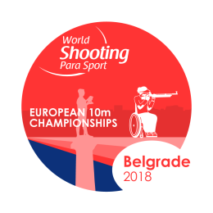
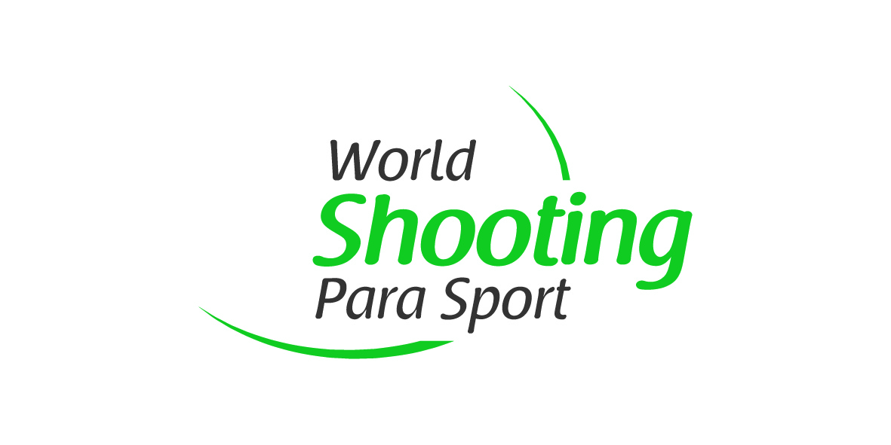
Belgrade 2018 World Shooting Para Sport
European 10m Championships
Belgrade, Serbia
01 - 07 December 2018

NPC
Contact Person
Email
Telephone No.
Due 05 November 2018
NPC Serbia contact: office@paralympic.rs
WSPS contact: info@WorldShootingParaSport.org

First Name | Last Name | Gender | Passport |  | Role in the Team
 |  | (M/F) | No. | Expiry

