1.Accreditation Form
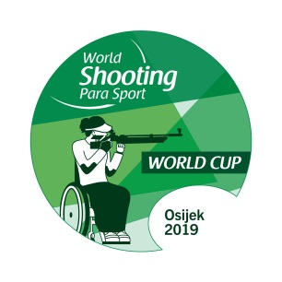

Osijek 2019 World Shooting Para Sport
World Cup
Osijek, Croatia
22-31 July 2019

NPC
Contact Person
Email
Telephone No.
Due 27 June 2019
LOC contact: competition.osijek@gmail.com
WSPS contact: info@WorldShootingParaSport.org

First Name | Last Name | Gender | Passport |  | Role in the Team
 |  | (M/F) | No. | Expiry

2.Accommodation Booking Request
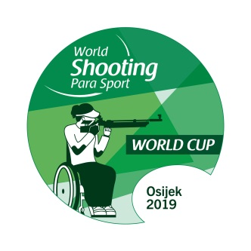

Osijek 2019 World Shooting Para Sport World Cup
Osijek, Croatia
22-31 July 2019

NPC
Contact Person
Email
Telephone No.

Due 27 June 2019
LOC contact: competition.osijek@gmail.com
WSPS contact: info@WorldShootingParaSport.org

 | Occupant 1 |  |  |  |  |  |  | Occupant 2
 |  |  |  | Wheelchair |  |  |  |  |  |  | Wheelchair
Room | First Name | Last Name | Gender | YES / NO | Electric / manual | width (cm) | Able to tranfer to seats | First Name | Last Name | Gender | YES / NO | Electric / manual | width (cm) | Able to tranfer to seats | Check In | Check Out | Number | Title/Role
Type |  |  | (M/F) |  |  |  |  |  |  | (M/F) |  |  |  |  | Date | Date | of Nights
(Double)
(Single)

 | Occupant 1 |  |  |  |  |  |  | Occupant 2
 |  |  |  | Wheelchair |  |  |  |  |  |  | Wheelchair
Room | First Name | Last Name | Gender | YES / NO | Electric / manual | width (cm) | Able to tranfer to seats | First Name | Last Name | Gender | YES / NO | Electric / manual | width (cm) | Able to tranfer to seats | Check In | Check Out | Number of Nights
Type(D/S) |  |  | (M/F) |  |  |  |  |  |  | (M/F) |  |  |  |  | Date | Date
(Double)
(Single)

SUMMARY
Room Type |  | Total Number of Rooms Requested |  |  |  |  |  | Total Number of Nights
Double Rooms
Single Rooms

3.Transportation Information


Osijek 2019 World Shooting Para Sport World Cup
Osijek, Croatia
22-31 July 2019

NPC
Contact Person
E-Mail
Telephone No.
Due 27 June 2019
LOC contact: competition.osijek@gmail.com
WSPS contact: info@WorldShootingParaSport.org

First Name | Last Name | Role | Accessbility |  |  |  | No, of Luggage/Firearms |  | Arrival |  |  | Departure |  |  | Airline
 |  |  | Wheelchair | el. / man. | Width (cm) | Able to tranfer to seats | Luggage | Firearms | Date | Flight No. | Time | Date | Flight No. | Time
 |  |  | User ?

First Name | Last Name | Role | Accessbility |  |  |  | No, of Luggage/Firearms |  | Arrival |  |  | Departure |  |  | Airline
 |  |  | Wheelchair | el. / man. | Width (cm) | Able to tranfer to seats | Luggage | Firearms | Date | Flight No. | Time | Date | Flight No. | Time
 |  |  | User ?

SUMMARY |  |  |  |  |  |  |  | Special Comments
Total Number of Persons |  |  | 0 |  |  | Persons
Number of Wheelchair Users |  | Manual | 0 |  |  | Units
 |  | Electric | 0 |  |  | Units
Number of Regular Size Baggage |  |  | 0 |  |  | PCS
Number of Over Size Baggage |  |  | 0 |  |  | PCS
Number of Firearms |  |  | 0 |  |  | PCS
Total Number of Persons requesting |  |  | 0 |  |  | Persons
transportation(Airport - Hotel)

4.Invoice


Osijek 2019 World Shooting Para Sport World Cup
Osijek, Croatia
22-31 July 2019

Due 27 June 2019
LOC contact: competition.osijek@gmail.com
WSPS contact: info@WorldShootingParaSport.org

NPC
Contact Person
E-Mail
Telephone No.

INVOICE No. | 2019-WSPS-

Descriptions | Number of Athletes |  | Number of Starts | Number of Officials |  | Athlete Total | Officials Total |  | Total

Entry Fee |  |  |  |  |  | € - | € - |  | € -
 |  | Team Entries
Descriptions | Number of Persons |  | Room Type | No. of Rooms Booked |  | No. of Nights Booked | Cost Per Night(EUR) |  | Sub Total
 |  |  |  |  |  |  | (70 EUR/Person)
Accommodations |  |  | Double Room |  |  |  | € 140 |  | € -
 |  |  | Single Room |  |  |  | € 130 |  | € -
Descriptions | Type |  | Location | Number of persons |  | Number of Days | Price |  | Sub Total

Meals | Lunch |  | Shooting Range |  |  |  | € 15 |  | € -
 | Dinner |  | Hotel |  |  |  | € 15 |  | € -
Descriptions | Number of Persons |  |  |  |  | Charge Per Person(EUR) |  |  | Sub Total
Transportations |  |  |  |  |  | 100 |  |  | € -
 |  |  |  |  |  | Grand Total(EUR) |  |  | € -

VERIFICATION BY REPRESENTATIVE OF NPC

Name |  | Signature |  |  | NPC Stamp |  |  | Date

Banking Information of LOC

Account Name(Beneficiary) |  | GRADANSKO STRELJACKO DRUSTVO OSIJEK 1784
Bank |  | ERSTE&STEIERMAERKISCHE BANK d.d.
Bank Address |  | Jadranski trg 3a, 51000 Rijeka, CROATIA
Reference |  | Entry Fee 2019 World Shooting Para Sport World Cup – [Country Name]
Account Number |  | HR1124020061100645444
SWIFT Code |  | ESBCHR22

